Shop Floor
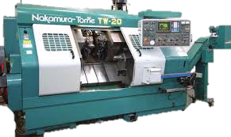
TW-20 #2
Running
TW-20 #1
Sitting

 |  |  | Job # | Status | Material | Job # | Status | Material
 |  |  | 10341-01 | Running | Finished | 10347-01 | Waiting | In delivery
 |  |  | 10358-05 | Staged | Cutting
 |  |  | 10347-01 | Waiting | In delivery

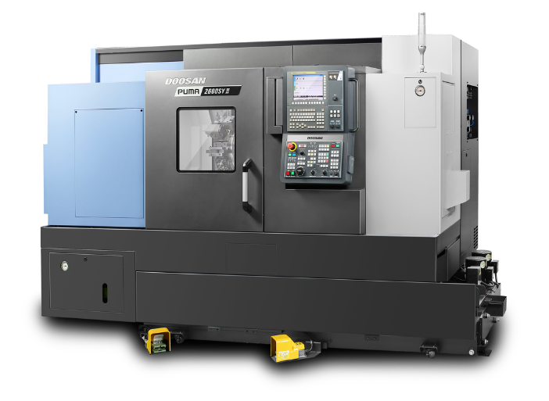
PUMA #7
Running
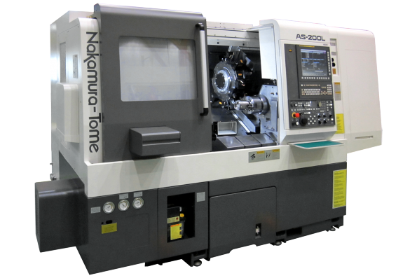
AS200 #5
In Set-Up
PUMA #4
Running

 |  |  | Job # | Status | Material
Job # | Status | Material | 10341-01 | Set-Up | Finished | Job # | Status | Material
10341-01 | Running | Finished | 10358-05 | Staged | Cutting | 10341-01 | Running | Finished
10358-05 | Staged | Cutting | 10347-01 | Waiting | In delivery | 10358-05 | Staged | Cutting
10347-01 | Waiting | In delivery |  |  |  | 10347-01 | Waiting | In delivery

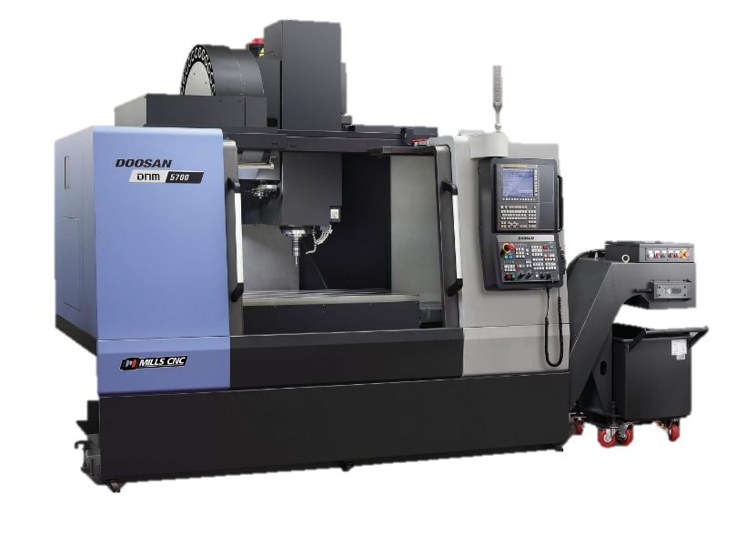
DNM5700 #3
In Set-Up
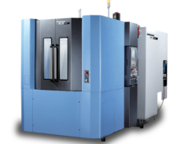
NHP4000 #6
Running
 |  |  |  |  |  | Job # | Status | Material
 |  |  | Job # | Status | Material | 10341-01 | Set-Up | Finished
 |  |  | 10341-01 | Running | Finished | 10358-05 | Staged | Cutting
 |  |  | 10358-05 | Staged | Cutting | 10347-01 | Waiting | In delivery
 |  |  | 10347-01 | Waiting | In delivery

